CERFA
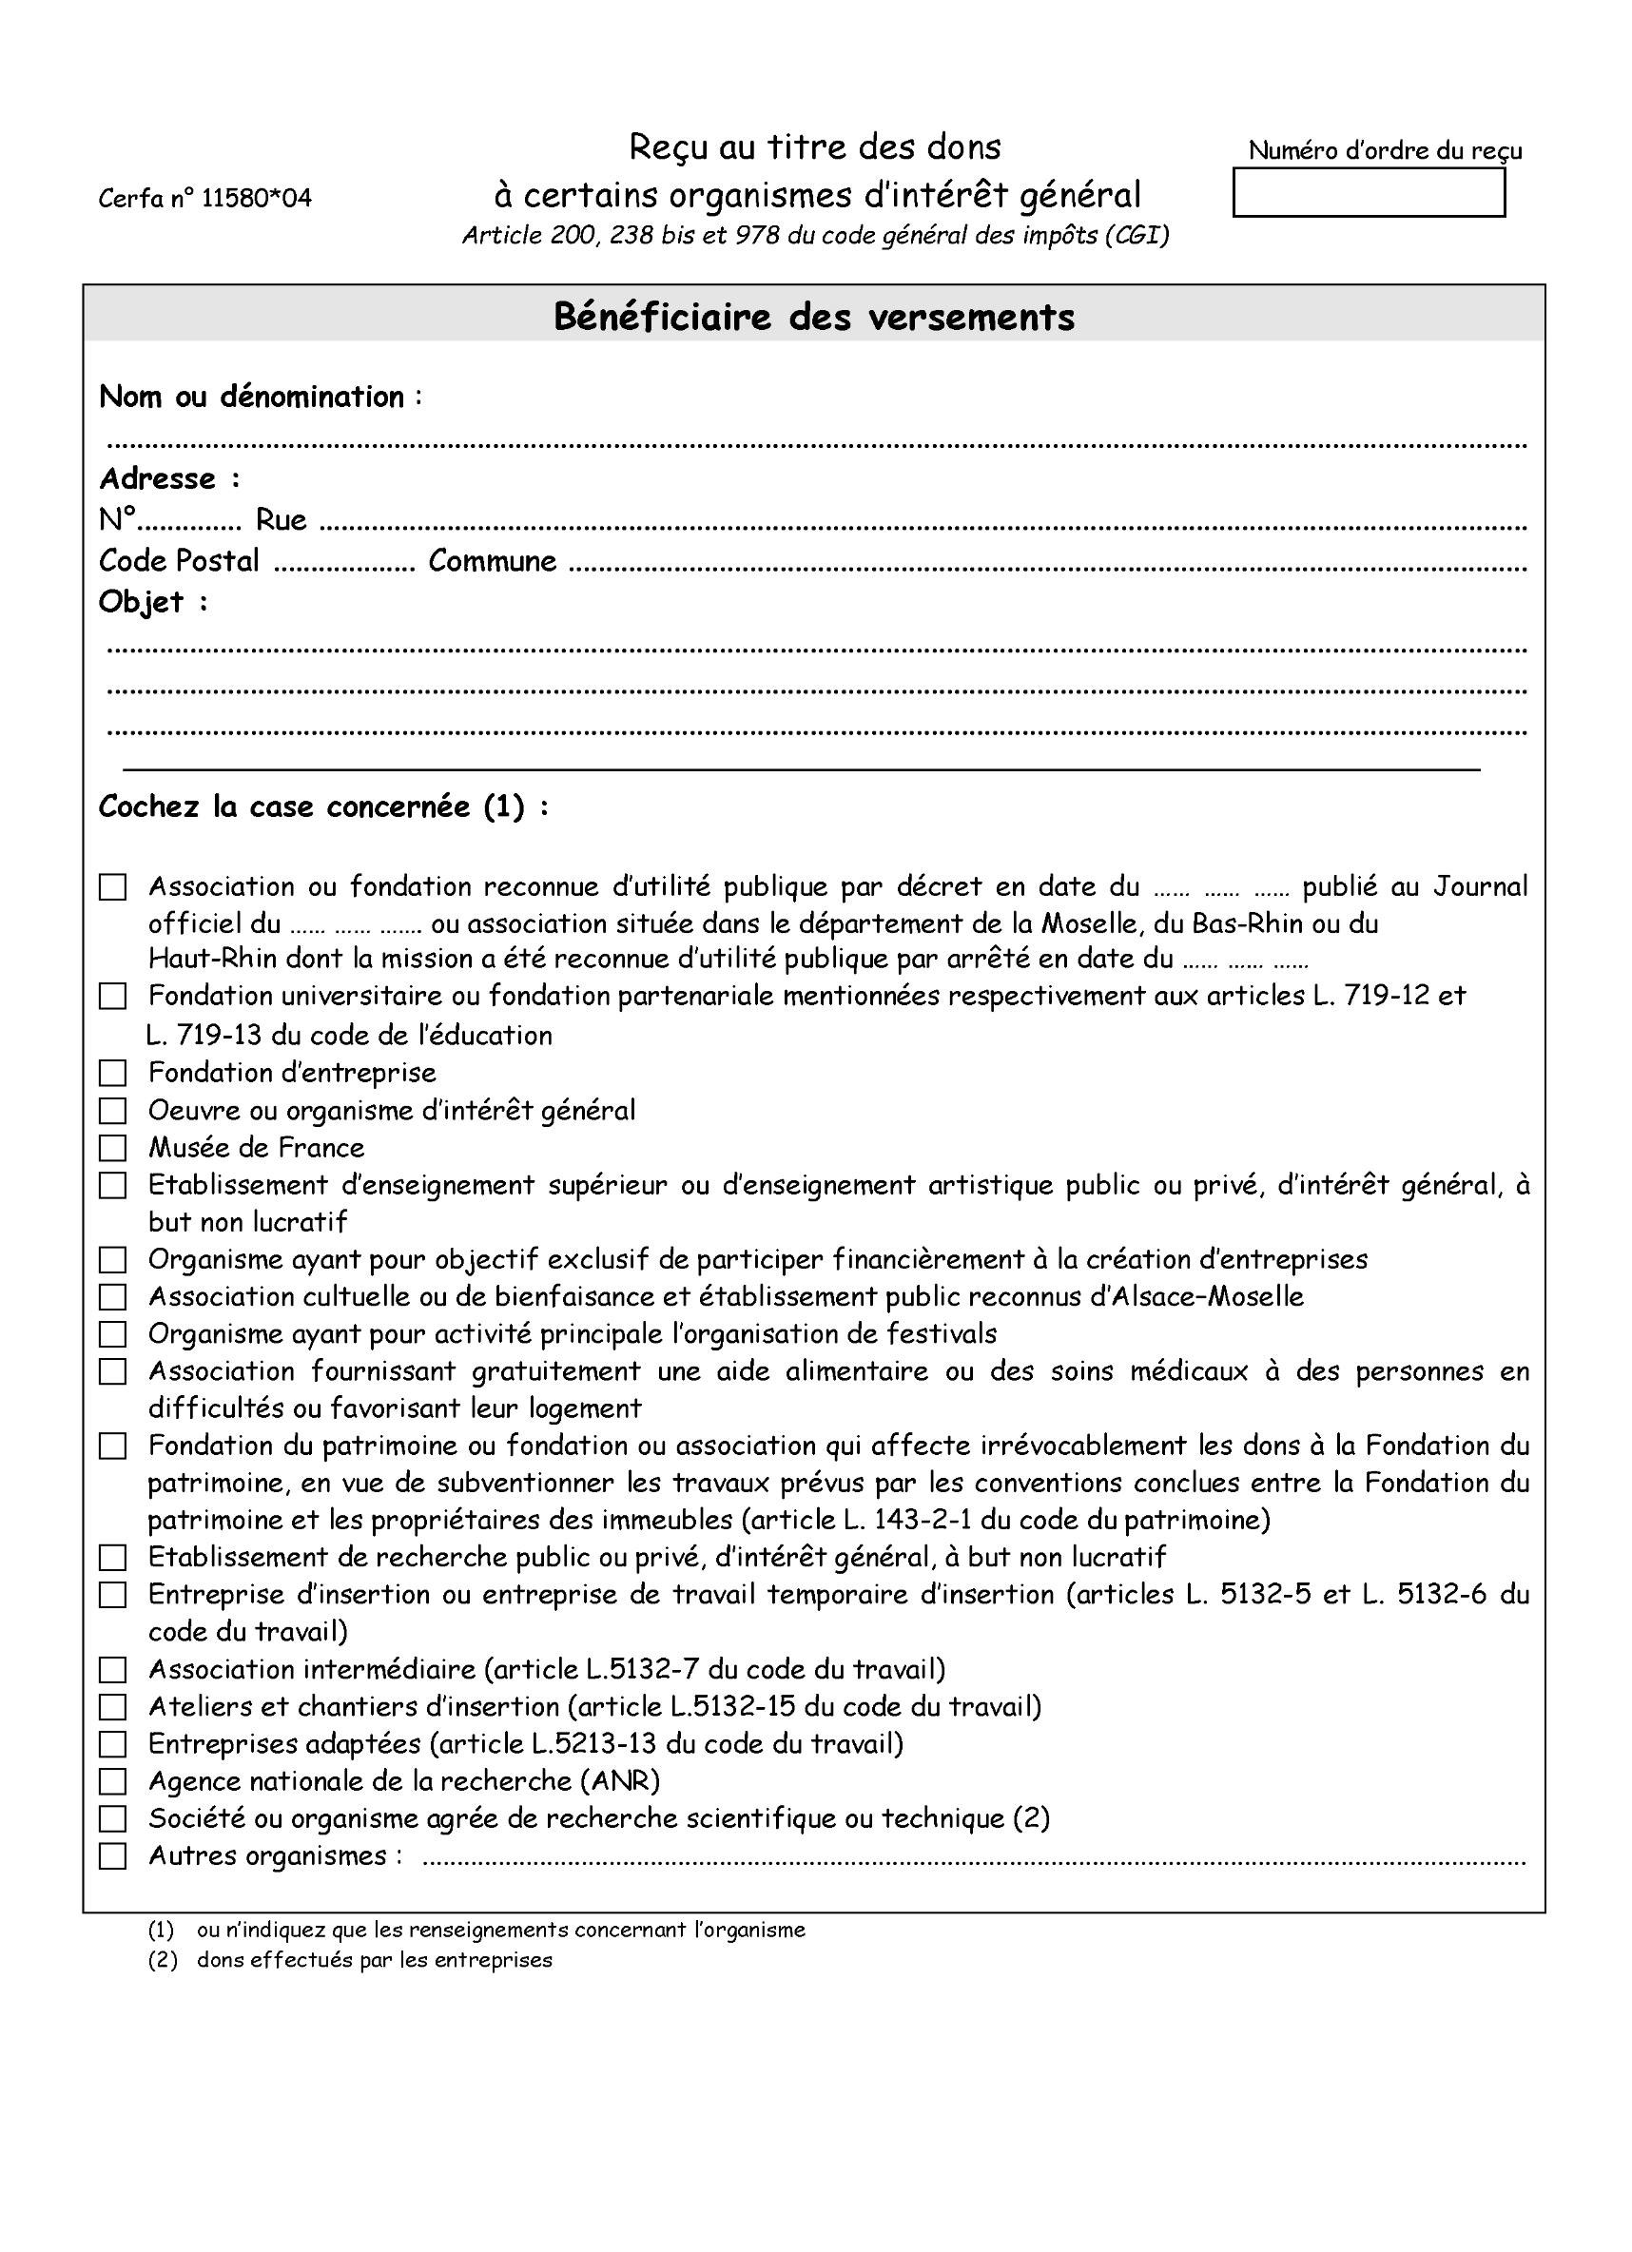
 |  |  |  |  |  |  |  |  |  |  |  |  | ID | Dohaintza egilea
 |  |  |  |  |  |  |  |  |  |  |  |  | 1 | SARL Miatu

 |  |  |  |  |  |  |  |  |  |  |  | 20231001

 |  |  |  |  | Tiers Lieu FabLabea Pays Basque
 | 16 | 0 |  |  | Francis Jammes
 |  | 64,240 |  |  |  |  | Hasparren
Cette association a pour but de créer un laboratoire de fabrication numérique type FabLab,
ouvert au public, afin de le sensibiliser aux nouvelles techniques numériques,
en valorisant par ailleurs les savoir-faire traditionnels.

X

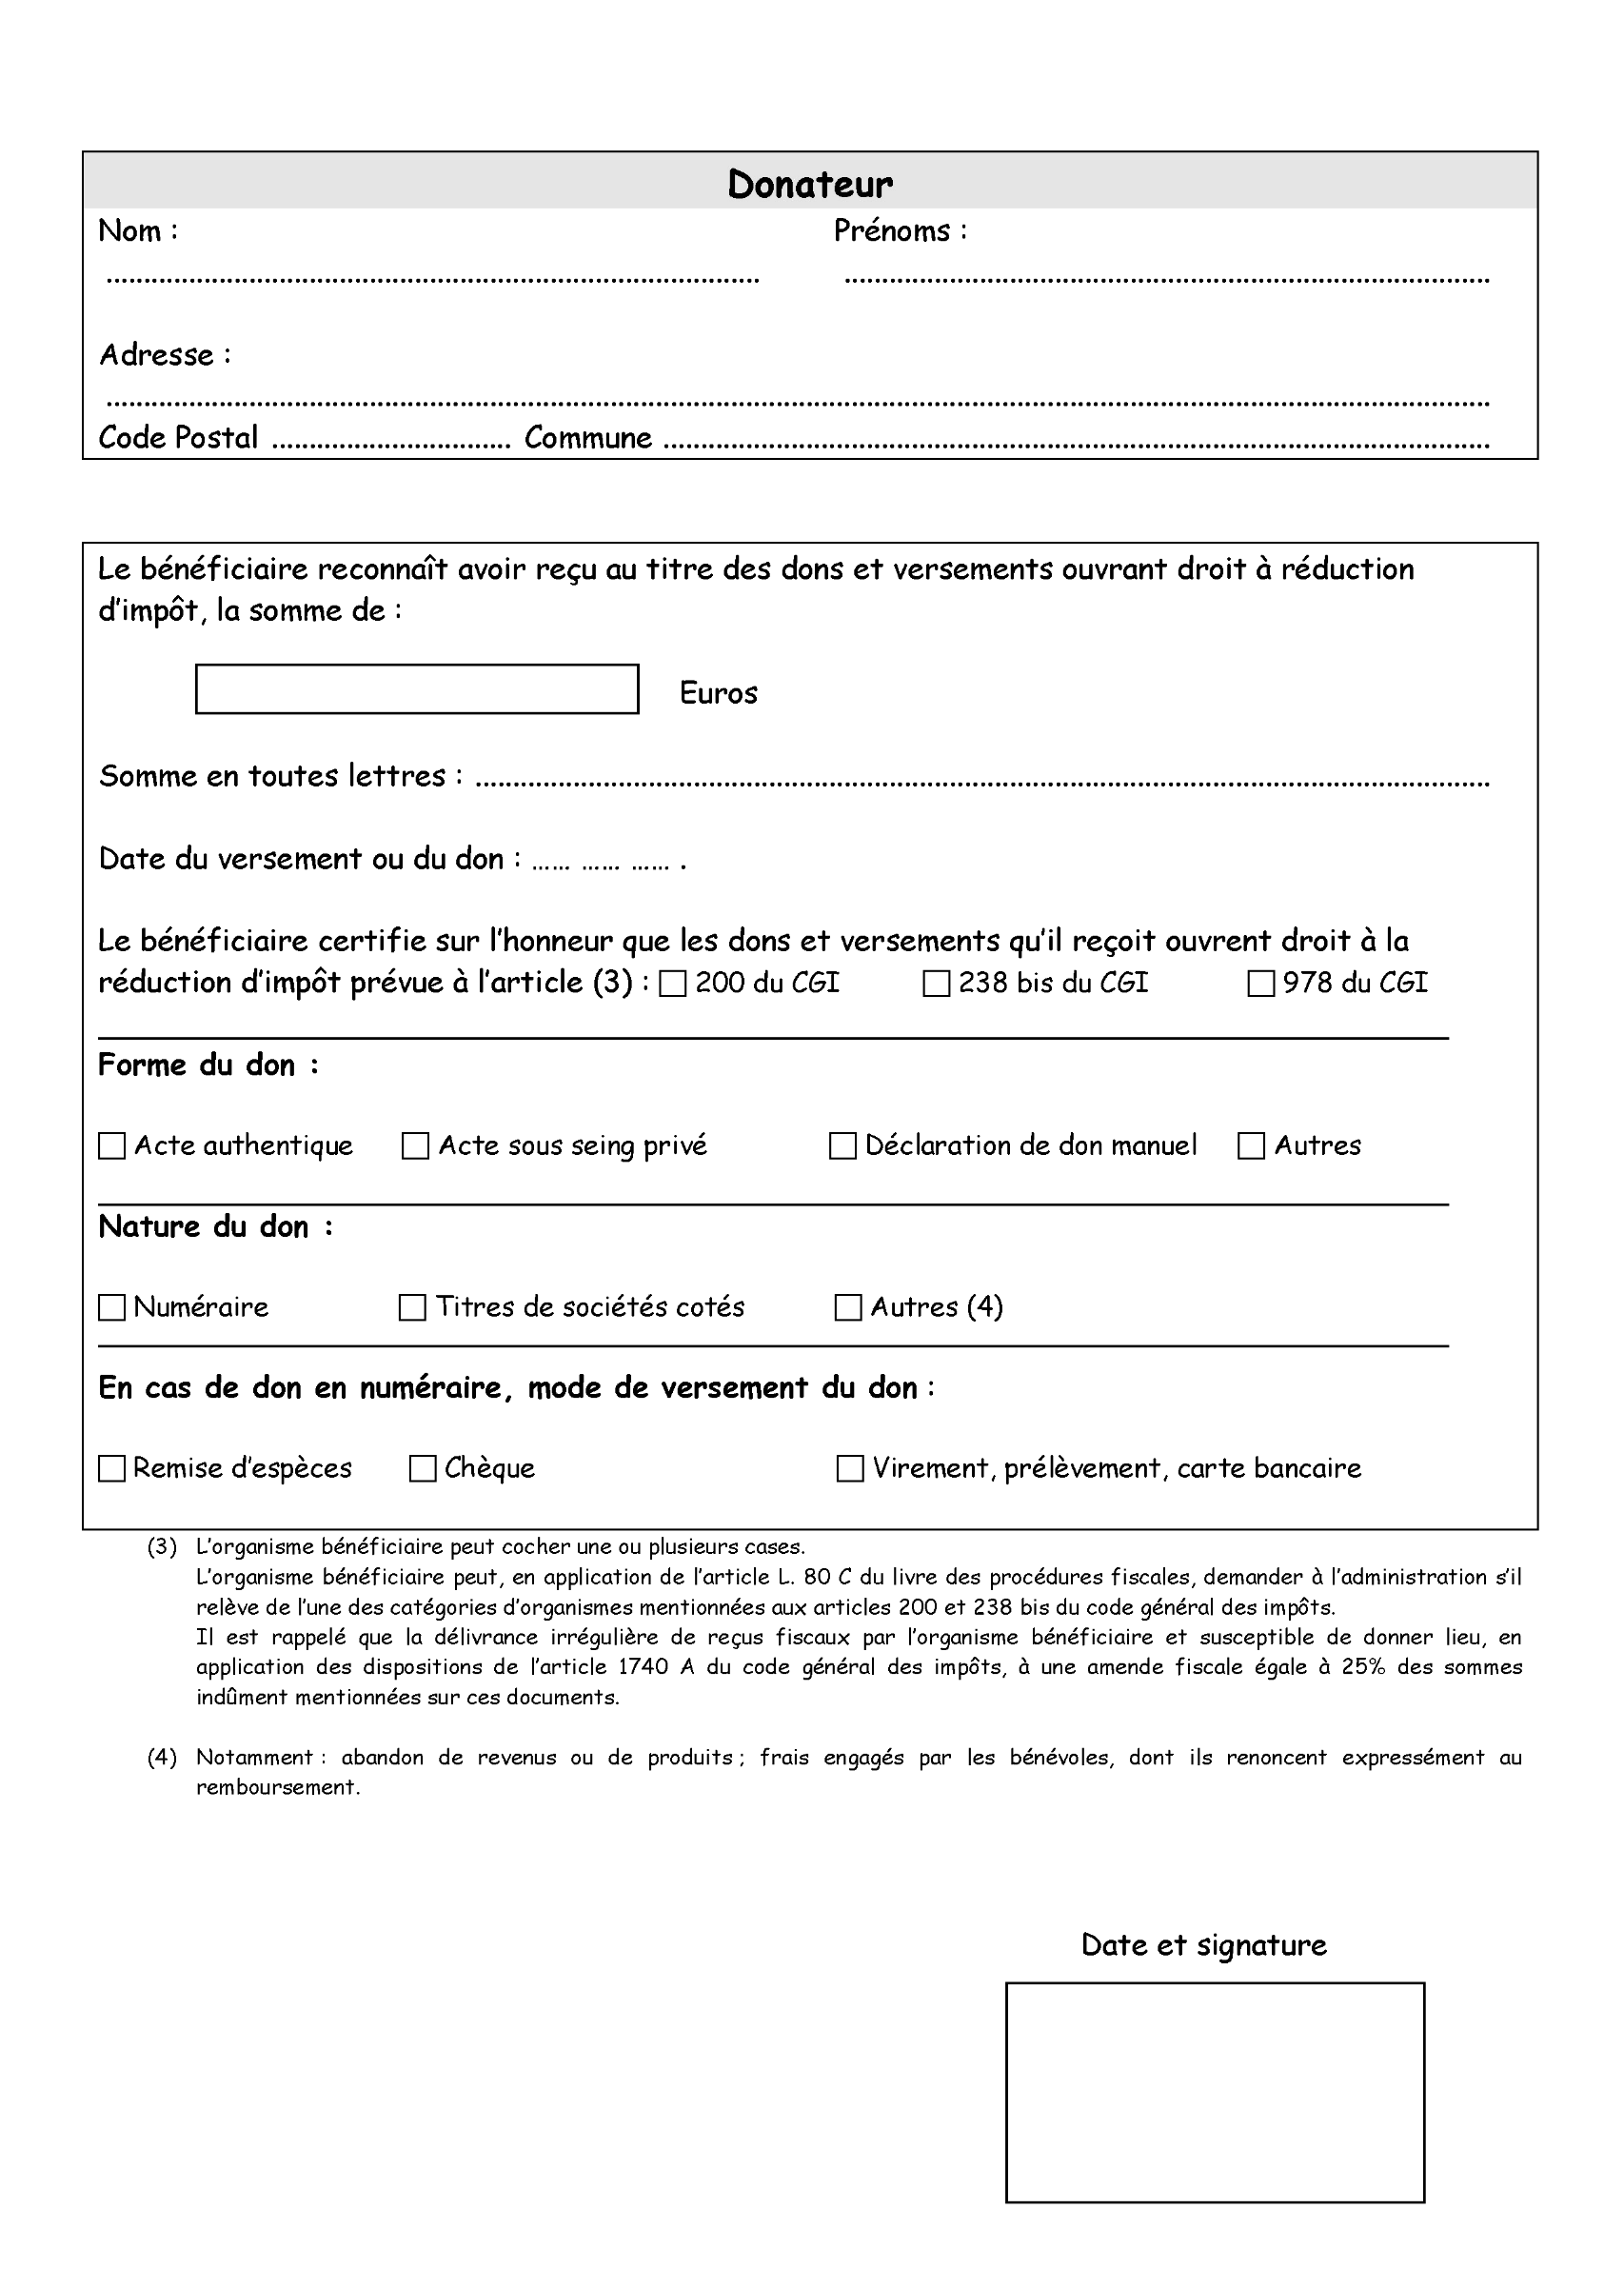

 | SARL Miatu |  |  |  |  |  |  |  |  | 0

 |  | Jean Lissar karrika, 8
 |  |  | 64600 |  |  |  | HASPARREN

 |  |  | 100
 |  |  |  |  | Cent euros

 |  |  |  |  | 2023-01-01

 |  |  |  |  |  | 0 |  |  | x

 |  |  |  |  |  |  |  | X

x |  |  |  |  |  |  |  | 0

0 |  |  |  | 0 |  |  |  | x

 |  |  |  |  |  |  |  |  |  |  | 2023-01-01

